Piles
 | Grain storage capacity of outdoor piles or rings.
 | (Based on 1.245 cu ft = 1 bushel. Estimates vary by material density, packing and shape of grain surface.)
 | Enter numbers in blue for different sized circular piles/rings.

 | Grain: | Corn |  |  | Angle of Repose: | 23 | Range: | 21 to 26
 |  |  |  | Multiplier: |  | 0.424
 | Grain Pile:
 | Diameter | Wall ht | Peak ht | Capacity | Airflow
 | ft | ft | ft | bu | cfm
 | 40 | 2 | 10.5 | 4,855 | 971
 | 90 | 4 | 23.1 | 52,762 | 10552
 | 150 | 5 | 36.8 | 220,708 | 44142
 | 300 | 6 | 69.7 | 1,539,466 | 307,893

D
H
h

Prepared by: |  | Sam McNeill, PhD, PE
 |  | Extension Agricultural Engineer
 |  | Biosystems and Agricultural Engineering Department
 |  | University of Kentucky Research and Education Center
 |  | Princeton, KY 42445-0469
 |  | Phone: 859-562-1326
 |  | Email: sam.mcneill@uky.edu

Wagons & Cribs
Shelled and ear corn storage capacity estimates.
Rules of thumb: 1 bushel of shelled corn occupies 1.245 cubic feet and weighs 56 lbs at
15.5% moisture, while 1 'bushel' of ear corn occupies 2.5 cubic feet and weighs 70 lbs.
Enter numbers in blue for different sized units.

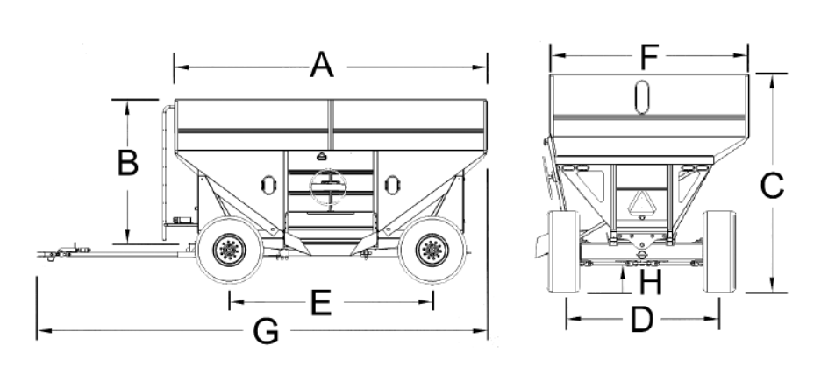
Grain carts & gravity wagons.
Top dimensions |  |  | Hopper
Width | Length | Height | Height | Volume | Capacity, bu |  | Capacity, bu
ft | ft | ft | ft | ft3 | ear corn | shelled | ear corn | shelled
9 | 16 | 3.5 | 8 | 720 | 274 | 550 | 19,152 | 30,779

Corn cribs.
Width | Length | Height | Volume | Capacity, bu |  | Capacity, bu
ft | ft | ft | ft3 | ear corn | shelled | ear corn | shelled
8 | 14 | 8 | 896 | 358 | 720 | 25,088 | 40,318

Barrels.
Diameter | Depth | Volume | Capacity, bu |  | Capacity, lb
ft | ft | ft3 | ear corn | shelled | ear corn | shelled
2 | 4 | 12.6 | 5 | 10 | 352 | 565

Prepared by: |  | Sam McNeill, PhD, PE
 |  | Extension Agricultural Engineer
 |  | Biosystems and Agricultural Engineering Department
 |  | University of Kentucky Research and Education Center
 |  | Princeton, KY 42445-0469
 |  | Phone: 859-562-1326
 |  | Email: sam.mcneill@uky.edu

