Boards
Length of section (feet) | 98 |  |  |  | Be sure to stagger joints
 |  |  |  |  | 12' planks assumes 6' post spacing
 |  |  |  |  | 16' planks assumes 8' post spacing
 | Cost per Board |  |  |  | Price accessed June 2018 Prices will fluctuate
 | Treated Lumber |  | Rough Cut Lumber |  |  | Tan values can be modified
 | Board length in feet |  | Board length in feet
Board Dimensions | 12 | 16 | 12 | 16
2" x 6" | $11.80 | $16.98 | $10.62 | $15.28
2" x 8" | $16.17 | $20.98 | $14.55 | $18.88
2" x 10" | $20.98 | $26.98 | $18.88 | $23.00
2" x 12" | $29.77 | $39.77 | $26.79 | $35.79

 | Cost per Linear Foot
 | Treated Lumber |  | Rough cut lumber
 | Board length in feet |  | Board length in feet
Board Dimensions | 12 | 16 | 12 | 16
2" x 6" | $0.98 | $1.06 | $0.89 | $0.96
2" x 8" | $1.35 | $1.31 | $1.21 | $1.18
2" x 10" | $1.75 | $1.69 | $1.57 | $1.44
2" x 12" | $2.48 | $2.49 | $2.23 | $2.24

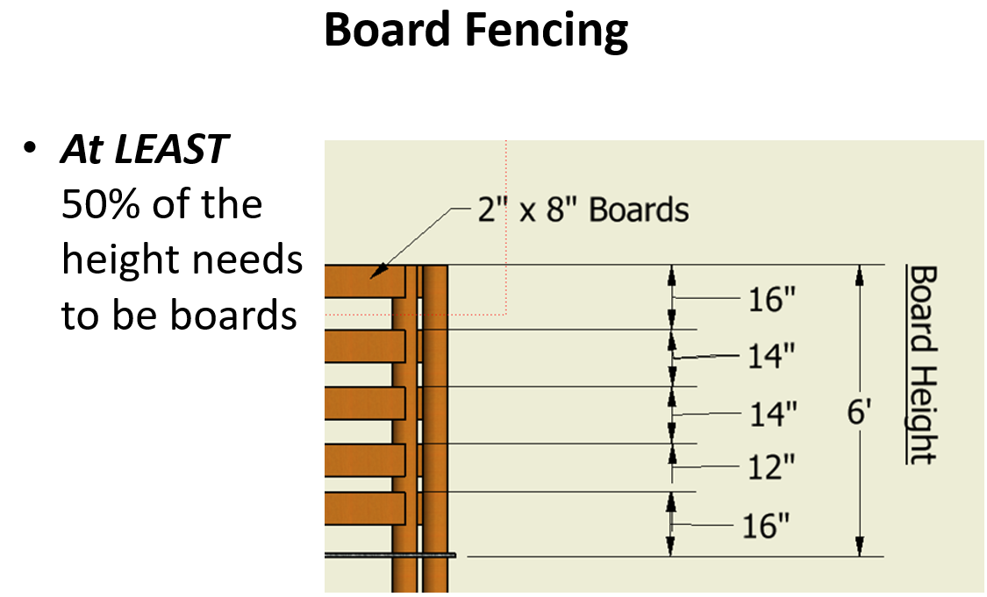
Total Heigth of Fence (in) | 72
Board Dimensions | Minimum number of rows of boards required to achieve 50% height coverage
2" x 6" | 6
2" x 8" | 5
2" x 10" | 4
2" x 12" | 3

Board length | 12 | 16 |  |  |  |  | 6
Boards required per row | 8.1666666667 | 6.125 |  |  |  |  | 8 | These values will be hidden
 |  |  |  |  |  |  | 10
 |  |  |  |  |  |  | 12
 | Total number Board Required
Board Dimensions | 12' | 16' |  |  |  |  | 6 | 0.16666666667 | 2.6666666667
2" x 6" | 49 | 37 |  |  |  |  | 5 | 0.2 | 3.2
2" x 8" | 41 | 31 |  |  |  |  | 4 | 0.25 | 4
2" x 10" | 33 | 25 |  |  |  |  | 3 | 0.33333333333 | 5.3333333333
2" x 12" | 25 | 19 |  |  |  |  | 2 | 0.5 | 8

 | Cost
 | Pressure Treated |  | Rough Cut
Board Dimensions | 12' | 16' | 12' | 16'
2" x 6" | $578 | $628 | $520 | $565
2" x 8" | $663 | $650 | $597 | $585
2" x 10" | $692 | $675 | $623 | $575
2" x 12" | $744 | $756 | $670 | $680

Guard Rail
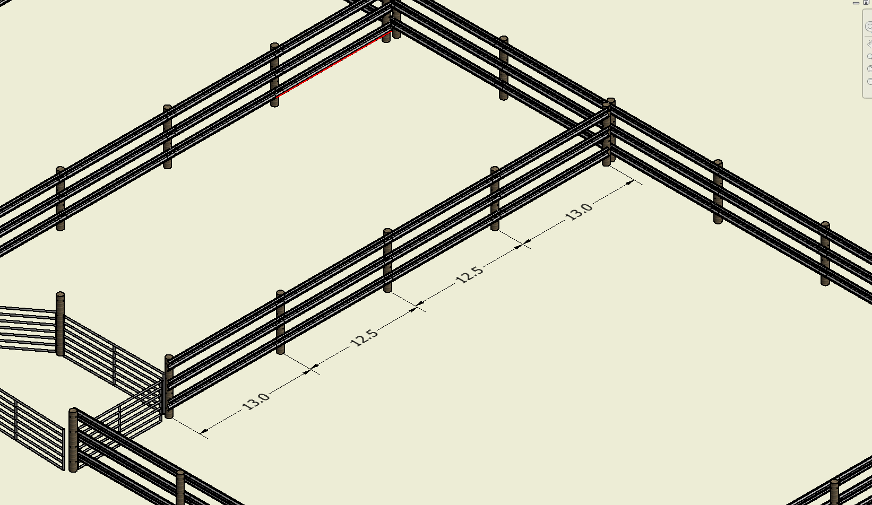
Length of Desired Fence |  | 98

guard rail cost per foot |  | 2.75

Guard Rail typically comes in ~13' or 26' sections
Assumes 12.5' on centers |  | 578.2
End sections would actually be 13'

12.5

Minimum number of guard rail to achieve 50% of height coverage will be 3
 | Rows of guard rail | number of guard rail | Total Cost
 | 3 | 23.52 | 840.84
 | 4 | 31.36 | 1121.12

 | 13 | 13
 | 13 | 12.5 | 13
 | 13 | 12.5 | 12.5 | 13
 | 13 | 12.5 | 12.5 | 12.5 | 13

